Master PO
PIONEER SERVICES

 |  |  |  |  | Date | 22-May-25
 |  |  |  |  | NTN # | 4312149-7
M/S International Industries Limited

Att: Mr. Sohail Rafiq

PURCHASE ORDER

Supply of ERW Black Pipe Plain End - EY 17th & 18th & 19th Floor DMC karachi)
S No. | D e s c r i p t i o n | Qty | Unit | Mtr | Rate | Amount
1 | ERW Black pipe Plain End 25mm | 268 | LEN | 1608 | 738.27 | 1,187,138 | 1,674,396 | 5,355 | 268.00 | 1,608.00
2 | ERW Black pipe Plain End 32mm | 60 | LEN | 360 | 984.87 | 354,553 | 520,011 | 1,200 | 60.00 | 360.00
3 | ERW Black pipe Plain End 40mm | 68 | LEN | 408 | 1,146.55 | 467,792 | 557,223 | 1,365 | 68.00 | 408.00
4 | ERW Black pipe Plain End 50mm | 32 | LEN | 192 | 1,535.80 | 294,874 | 479,170 | 645 | 32.00 | 192.00
6 | ERW Black pipe Plain End 75mm | 37 | LEN | 222 | 3,179.70 | 705,893 | 858,519 | 750 | 37.00 | 222.00
 |  | TOTAL: |  |  |  | 3,010,251

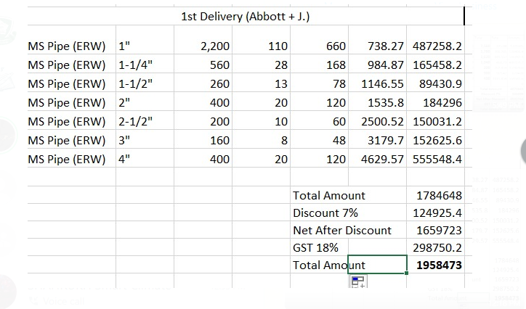
Supply of ERW Black Pipe Plain End - Abbot Office Ocean Tower karachi)
S No. | D e s c r i p t i o n | Qty | Unit | Mtr | Rate | Amount
1 | ERW Black pipe Plain End 25mm | 80 | LEN | 480 | 738.27 | 354,370 |  | 1,600 | 80.00 | 480.00
2 | ERW Black pipe Plain End 32mm | 23 | LEN | 138 | 984.87 | 135,912 |  | 460 | 23.00 | 138.00
3 | ERW Black pipe Plain End 40mm | 13 | LEN | 78 | 1,146.55 | 89,431 |  | 250 | 13.00 | 78.00 | 25mm | 550.00 | 738.27 | 406,048.50
4 | ERW Black pipe Plain End 50mm | 20 | LEN | 120 | 1,535.80 | 184,296 |  | 400 | 20.00 | 120.00 | 32mm | 168.00 | 984.87 | 165,458.16
5 | ERW Black pipe Plain End 65mm | 10 | LEN | 60 | 2,500.52 | 150,031 |  | 200 | 10.00 | 60.00 | 40mm | 78.00 | 1,146.55 | 89,430.90
6 | ERW Black pipe Plain End 75mm | 8 | LEN | 48 | 3,179.70 | 152,626 |  | 160 | 8.00 | 48.00 | 50mm | 120.00 | 1,535.80 | 184,296.00
7 | ERW Black pipe Plain End 100mm | 12 | LEN | 72 | 4,629.57 | 333,329 |  | 240 | 12.00 | 72.00 | 65mm | 60.00 | 2,500.52 | 150,031.20
 |  | TOTAL: |  |  |  | 1,399,994 |  |  |  |  | 75mm | 48.00 | 3,179.70 | 152,625.60
 |  |  |  |  |  |  |  |  |  |  | 100mm | 120.00 | 4,629.57 | 555,548.40
Supply of ERW Black Pipe Plain End - J outlet Jinnah Icon karachi
S No. | D e s c r i p t i o n | Qty | Unit | Mtr | Rate | Amount
1 | ERW Black pipe Plain End 25mm | 30 | LEN | 180 | 738.27 | 132,889 |  | 600 | 30.00 | 180.00 |  |  |  | 1,703,438.76
2 | ERW Black pipe Plain End 32mm | 5 | LEN | 30 | 984.87 | 29,546 |  | 100 | 5.00 | 30.00 |  |  | 7% | 119,240.71
3 | ERW Black pipe Plain End 100mm | 8 | LEN | 48 | 4,629.57 | 222,219 |  | 150 | 8.00 | 48.00 |  |  |  | 1,584,198.05
 |  | TOTAL: |  |  |  | 384,654 |  |  |  |  |  |  | 18% | 285,155.65
 |  | GRAND TOTAL AMOUNT RS |  |  |  | 4,794,899 |  |  |  |  |  |  |  | 1,869,353.70
Discount 7% |  |  |  |  |  | 335,643
Total amount |  |  |  |  |  | 4,459,256
GST 18% |  |  |  |  |  | 802,666
Total amount |  |  |  |  |  | 5,261,922

for PIONEER SERVICES

Phase 1 Delivery
PIONEER SERVICES

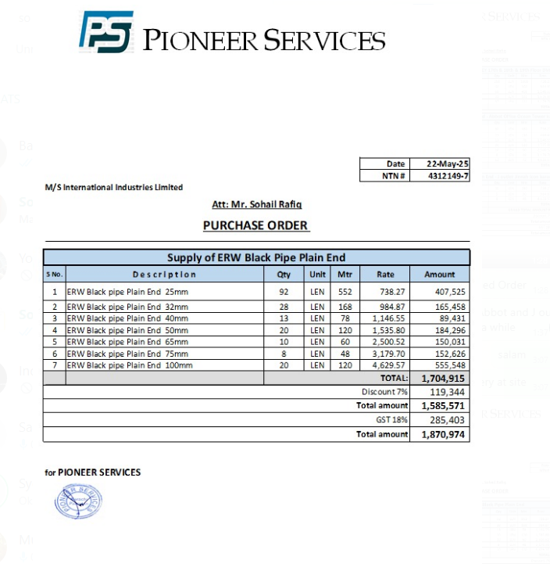

 |  |  |  |  | Date | 22-May-25
 |  |  |  |  | NTN # | 4312149-7
M/S International Industries Limited

Att: Mr. Sohail Rafiq

PURCHASE ORDER

Supply of ERW Black Pipe Plain End
S No. | D e s c r i p t i o n | Qty | Unit | Mtr | Rate | Amount
1 | ERW Black pipe Plain End 25mm | 92 | LEN | 137 | 738.27 | 101,143 |  | 1,600 | 80.00 | 480.00
2 | ERW Black pipe Plain End 32mm | 28 | LEN | 138 | 984.87 | 135,912 |  | 460 | 23.00 | 138.00
3 | ERW Black pipe Plain End 40mm | 13 | LEN | 78 | 1,146.55 | 89,431 |  | 250 | 13.00 | 78.00 |  | 91.67 | 25mm | 550.00 | 738.27 | 406,048.50
4 | ERW Black pipe Plain End 50mm | 20 | LEN | 120 | 1,535.80 | 184,296 |  | 400 | 20.00 | 120.00 |  | 28.00 | 32mm | 168.00 | 984.87 | 165,458.16
5 | ERW Black pipe Plain End 65mm | 10 | LEN | 60 | 2,500.52 | 150,031 |  | 200 | 10.00 | 60.00 |  | 13.00 | 40mm | 78.00 | 1,146.55 | 89,430.90
6 | ERW Black pipe Plain End 75mm | 8 | LEN | 48 | 3,179.70 | 152,626 |  | 160 | 8.00 | 48.00 |  | 20.00 | 50mm | 120.00 | 1,535.80 | 184,296.00
7 | ERW Black pipe Plain End 100mm | 20 | LEN | 72 | 4,629.57 | 333,329 |  | 240 | 12.00 | 72.00 |  | 10.00 | 65mm | 60.00 | 2,500.52 | 150,031.20
 |  | TOTAL: |  |  |  | 1,146,768 |  |  |  |  |  | 8.00 | 75mm | 48.00 | 3,179.70 | 152,625.60
Discount 7% |  |  |  |  |  | 80,274 |  |  |  |  |  | 20.00 | 100mm | 120.00 | 4,629.57 | 555,548.40
Total amount |  |  |  |  |  | 1,066,494 | 137
GST 18% |  |  |  |  |  | 191,969
Total amount |  |  |  |  |  | 1,258,463 |  | 600 | 30.00 | 180.00 |  |  |  |  |  | 1,703,438.76
 |  |  |  |  |  |  |  | 100 | 5.00 | 30.00 |  |  |  |  | 7% | 119,240.71
 |  |  |  |  |  |  |  | 150 | 8.00 | 48.00 |  |  |  |  |  | 1,584,198.05
for PIONEER SERVICES |  |  |  |  |  |  |  |  |  |  |  |  |  |  | 18% | 285,155.65
 |  |  |  |  |  |  |  |  |  |  |  |  |  |  |  | 1,869,353.70

 |  |  |  |  | Date | 22-May-25 |  |  |  |  |  | 95 | 311.6
 |  |  |  |  | NTN # | 4312149-7 |  |  |  |  |  | 15.833333333
M/S International Industries Limited |  |  |  |  |  |  |  |  |  |  | 2970 | 552

Att: Mr. Sohail Rafiq

PURCHASE ORDER

Supply of ERW Black Pipe Plain End
S No. | D e s c r i p t i o n | Qty | Unit | Mtr | Rate | Amount
1 | ERW Black pipe Plain End 25mm | 92 | LEN |  | 738.27 | - |  | 160 | 48.00
2 | ERW Black pipe Plain End 32mm | 28 | LEN | 30 | 984.87 | 29,546
3 | ERW Black pipe Plain End 40mm | 13 | LEN |  | 1,146.55 | -
4 | ERW Black pipe Plain End 50mm | 20 | LEN |  | 1,535.80 | -
5 | ERW Black pipe Plain End 65mm | 10 | LEN |  | 2,500.52 | -
6 | ERW Black pipe Plain End 75mm | 8 | LEN |  | 3,179.70 | -
7 | ERW Black pipe Plain End 100mm | 20 | LEN | 48 | 4,629.57 | 222,219
 |  | TOTAL: |  |  |  | 251,765
Discount 7% |  |  |  |  |  | 17,624
Total amount |  |  |  |  |  | 234,142 |  |  | 1,534,750
GST 18% |  |  |  |  |  | 42,146
Total amount |  |  |  |  |  | 276,287

for PIONEER SERVICES

actual received on phase 1
PIONEER SERVICES

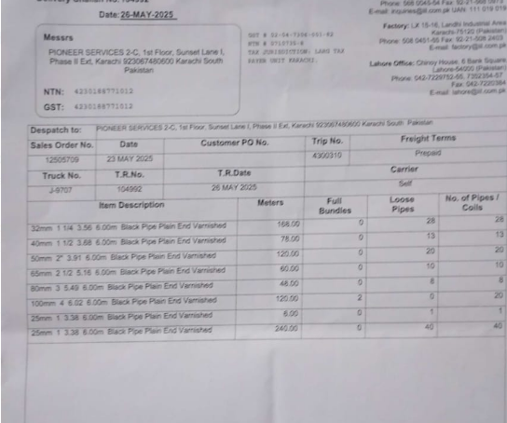

 |  |  |  |  | Date | 22-May-25
 |  |  |  |  | NTN # | 4312149-7
M/S International Industries Limited

Att: Mr. Sohail Rafiq

PURCHASE ORDER

Supply of ERW Black Pipe Plain End
S No. | D e s c r i p t i o n | Qty | Unit | Mtr | Rate | Amount
1 | ERW Black pipe Plain End 25mm |  | LEN | 246 | 738.27 | 181,614
2 | ERW Black pipe Plain End 32mm |  | LEN | 168 | 984.87 | 165,458
3 | ERW Black pipe Plain End 40mm |  | LEN | 78 | 1,146.55 | 89,431
4 | ERW Black pipe Plain End 50mm |  | LEN | 120 | 1,535.80 | 184,296
5 | ERW Black pipe Plain End 65mm |  | LEN | 60 | 2,500.52 | 150,031
6 | ERW Black pipe Plain End 75mm |  | LEN | 48 | 3,179.70 | 152,626
7 | ERW Black pipe Plain End 100mm |  | LEN | 120 | 4,629.57 | 555,548
 |  | TOTAL: |  |  |  | 1,479,005
Discount 7% |  |  |  |  |  | 103,530
Total amount |  |  |  |  |  | 1,375,474
GST 18% |  |  |  |  |  | 247,585
Total amount |  |  |  |  |  | 1,623,060

for PIONEER SERVICES

Phase 2 Delivery
PIONEER SERVICES

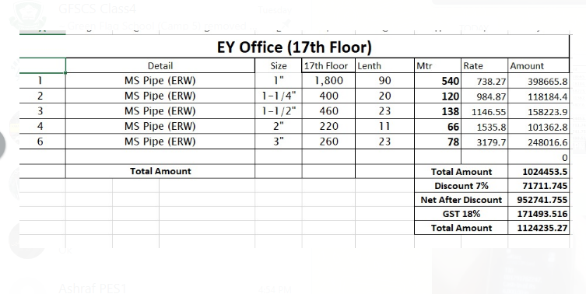
 |  |  |  |  | Date | 29-May-25
 |  |  |  |  | NTN # | 4312149-7
M/S International Industries Limited

Att: Mr. Sohail Rafiq

PURCHASE ORDER

Supply of ERW Black Pipe Plain End - EY 17th Floor DMC Karachi
S No. | D e s c r i p t i o n | Qty | Unit | Mtr | Rate | Amount
1 | ERW Black pipe Plain End 25mm | 92 | LEN | 540 | 738.27 | 398,666
2 | ERW Black pipe Plain End 32mm | 28 | LEN | 120 | 984.87 | 118,184
3 | ERW Black pipe Plain End 40mm | 13 | LEN | 138 | 1,146.55 | 158,224
4 | ERW Black pipe Plain End 50mm | 20 | LEN | 66 | 1,535.80 | 101,363
5 | ERW Black pipe Plain End 75mm | 8 | LEN | 78 | 3,179.70 | 248,017
 |  | TOTAL: |  |  |  | 1,024,454
Discount 7% |  |  |  |  |  | 71,712
Total amount |  |  |  |  |  | 952,742
GST 18% |  |  |  |  |  | 171,494
Total amount |  |  |  |  |  | 1,124,235

for PIONEER SERVICES

